Daily Power Station Chart_15-01
Plant_25/03/2025Chart

Plant:odco1 |  |  | Installed Capacity:111.180kWp
Today Yield(kWh):274.200kWh |  | Today Earning:109680.000TND |  | Today Full Load Hours(h):2.47h

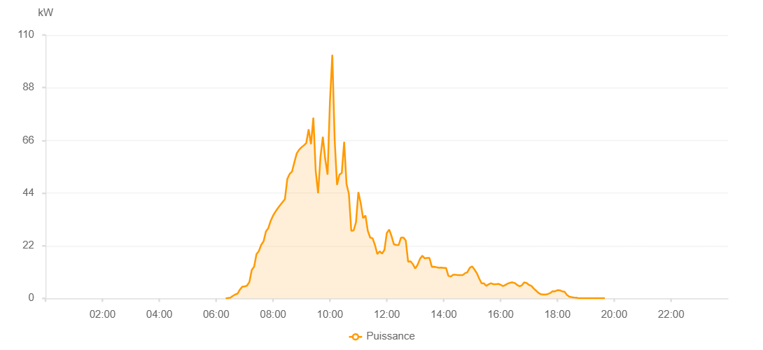

Number | Time | Working State | PV(W) | Instantaneous Radiation(W/㎡)
1 | 06:20:00 | Online | 30.00000 | 0
2 | 06:25:00 | Online | 150.00000 | 0
3 | 06:30:00 | Online | 270.00000 | 0
4 | 06:35:00 | Online | 1010.00000 | 3.00000
5 | 06:40:00 | Online | 1620.00000 | 9.00000
6 | 06:45:00 | Online | 1960.00000 | 17.00000
7 | 06:50:00 | Online | 3670.00000 | 31.00000
8 | 06:55:00 | Online | 4870.00000 | 59.00000
9 | 07:00:00 | Online | 4940.00000 | 59.00000
10 | 07:05:00 | Online | 5340.00000 | 56.00000
11 | 07:10:00 | Online | 6830.00000 | 65.00000
12 | 07:15:00 | Online | 11840.00000 | 124.00000
13 | 07:20:00 | Online | 13250.00000 | 160.00000
14 | 07:25:00 | Online | 18490.00000 | 185.00000
15 | 07:30:00 | Online | 19720.00000 | 238.00000
16 | 07:35:00 | Online | 22390.00000 | 238.00000
17 | 07:40:00 | Online | 23810.00000 | 261.00000
18 | 07:45:00 | Online | 27990.00000 | 261.00000
19 | 07:50:00 | Online | 29320.00000 | 309.00000
20 | 07:55:00 | Online | 32400.00000 | 330.00000
21 | 08:00:00 | Online | 34570.00000 | 353.00000
22 | 08:05:00 | Online | 36210.00000 | 373.00000
23 | 08:10:00 | Online | 37650.00000 | 400.00000
24 | 08:15:00 | Online | 38930.00000 | 423.00000
25 | 08:20:00 | Online | 40200.00000 | 444.00000
26 | 08:25:00 | Online | 41450.00000 | 465.00000
27 | 08:30:00 | Online | 49820.00000 | 489.00000
28 | 08:35:00 | Online | 51970.00000 | 508.00000
29 | 08:40:00 | Online | 52980.00000 | 530.00000
30 | 08:45:00 | Online | 56890.00000 | 551.00000
31 | 08:50:00 | Online | 60550.00000 | 570.00000
32 | 08:55:00 | Online | 62110.00000 | 607.00000
33 | 09:00:00 | Online | 63120.00000 | 607.00000
34 | 09:05:00 | Online | 63920.00000 | 626.00000
35 | 09:10:00 | Online | 64860.00000 | 643.00000
36 | 09:15:00 | Online | 70640.00000 | 665.00000
37 | 09:20:00 | Online | 64400.00000 | 690.00000
38 | 09:25:00 | Online | 75490.00000 | 755.00000
39 | 09:30:00 | Online | 53210.00000 | 785.00000
40 | 09:35:00 | Online | 43920.00000 | 820.00000
41 | 09:40:00 | Online | 59110.00000 | 440.00000
42 | 09:45:00 | Online | 67470.00000 | 478.00000
43 | 09:50:00 | Online | 58240.00000 | 375.00000
44 | 09:55:00 | Online | 51680.00000 | 483.00000
45 | 10:00:00 | Online | 82240.00000 | 591.00000
46 | 10:05:00 | Online | 101720.00000 | 923.00000
47 | 10:10:00 | Online | 66170.00000 | 951.00000
48 | 10:15:00 | Online | 47370.00000 | 680.00000
49 | 10:20:00 | Online | 51650.00000 | 416.00000
50 | 10:25:00 | Online | 52400.00000 | 477.00000
51 | 10:30:00 | Online | 65400.00000 | 523.00000
52 | 10:35:00 | Online | 47770.00000 | 400.00000
53 | 10:40:00 | Online | 43630.00000 | 254.00000
54 | 10:45:00 | Online | 28210.00000 | 219.00000
55 | 10:50:00 | Online | 28350.00000 | 243.00000
56 | 10:55:00 | Online | 31850.00000 | 248.00000
57 | 11:00:00 | Online | 44380.00000 | 391.00000
58 | 11:05:00 | Online | 39690.00000 | 337.00000
59 | 11:10:00 | Online | 33490.00000 | 302.00000
60 | 11:15:00 | Online | 34590.00000 | 293.00000
61 | 11:20:00 | Online | 28140.00000 | 291.00000
62 | 11:25:00 | Online | 25360.00000 | 212.00000
63 | 11:30:00 | Online | 25110.00000 | 202.00000
64 | 11:35:00 | Online | 22300.00000 | 174.00000
65 | 11:40:00 | Online | 18480.00000 | 141.00000
66 | 11:45:00 | Online | 19670.00000 | 167.00000
67 | 11:50:00 | Online | 18650.00000 | 168.00000
68 | 11:55:00 | Online | 20250.00000 | 169.00000
69 | 12:00:00 | Online | 27280.00000 | 207.00000
70 | 12:05:00 | Online | 28760.00000 | 243.00000
71 | 12:10:00 | Online | 26020.00000 | 237.00000
72 | 12:15:00 | Online | 22570.00000 | 195.00000
73 | 12:20:00 | Online | 22300.00000 | 191.00000
74 | 12:25:00 | Online | 22290.00000 | 175.00000
75 | 12:30:00 | Online | 25390.00000 | 197.00000
76 | 12:35:00 | Online | 25390.00000 | 222.00000
77 | 12:40:00 | Online | 24180.00000 | 225.00000
78 | 12:45:00 | Online | 15290.00000 | 149.00000
79 | 12:50:00 | Online | 15500.00000 | 130.00000
80 | 12:55:00 | Online | 14310.00000 | 118.00000
81 | 13:00:00 | Online | 12450.00000 | 102.00000
82 | 13:05:00 | Online | 14040.00000 | 108.00000
83 | 13:10:00 | Online | 16490.00000 | 125.00000
84 | 13:15:00 | Online | 17810.00000 | 141.00000
85 | 13:20:00 | Online | 16720.00000 | 132.00000
86 | 13:25:00 | Online | 16870.00000 | 138.00000
87 | 13:30:00 | Online | 16870.00000 | 132.00000
88 | 13:35:00 | Online | 13180.00000 | 100.00000
89 | 13:40:00 | Online | 13210.00000 | 83.00000
90 | 13:45:00 | Online | 12980.00000 | 84.00000
91 | 13:50:00 | Online | 12820.00000 | 80.00000
92 | 13:55:00 | Online | 12860.00000 | 81.00000
93 | 14:00:00 | Online | 12740.00000 | 77.00000
94 | 14:05:00 | Online | 12740.00000 | 78.00000
95 | 14:10:00 | Online | 9380.00000 | 79.00000
96 | 14:15:00 | Online | 9100.00000 | 76.00000
97 | 14:20:00 | Online | 9890.00000 | 80.00000
98 | 14:25:00 | Online | 9900.00000 | 84.00000
99 | 14:30:00 | Online | 9710.00000 | 82.00000
100 | 14:35:00 | Online | 9700.00000 | 78.00000
101 | 14:40:00 | Online | 9690.00000 | 82.00000
102 | 14:45:00 | Online | 10490.00000 | 85.00000
103 | 14:50:00 | Online | 10950.00000 | 100.00000
104 | 14:55:00 | Online | 12770.00000 | 109.00000
105 | 15:00:00 | Online | 13370.00000 | 126.00000
106 | 15:05:00 | Online | 12070.00000 | 99.00000
107 | 15:10:00 | Online | 10510.00000 | 99.00000
108 | 15:15:00 | Online | 8250.00000 | 77.00000
109 | 15:20:00 | Online | 6270.00000 | 66.00000
110 | 15:25:00 | Online | 6270.00000 | 51.00000
111 | 15:30:00 | Online | 5230.00000 | 45.00000
112 | 15:35:00 | Online | 5900.00000 | 47.00000
113 | 15:40:00 | Online | 6350.00000 | 54.00000
114 | 15:45:00 | Online | 5890.00000 | 57.00000
115 | 15:50:00 | Online | 5890.00000 | 50.00000
116 | 15:55:00 | Online | 6080.00000 | 49.00000
117 | 16:00:00 | Online | 5700.00000 | 43.00000
118 | 16:05:00 | Online | 5160.00000 | 43.00000
119 | 16:10:00 | Online | 5550.00000 | 44.00000
120 | 16:15:00 | Online | 6190.00000 | 53.00000
121 | 16:20:00 | Online | 6520.00000 | 54.00000
122 | 16:25:00 | Online | 6700.00000 | 56.00000
123 | 16:30:00 | Online | 6410.00000 | 57.00000
124 | 16:35:00 | Online | 5660.00000 | 51.00000
125 | 16:40:00 | Online | 5050.00000 | 44.00000
126 | 16:45:00 | Online | 5460.00000 | 40.00000
127 | 16:50:00 | Online | 6690.00000 | 52.00000
128 | 16:55:00 | Online | 6420.00000 | 56.00000
129 | 17:00:00 | Online | 5630.00000 | 52.00000
130 | 17:05:00 | Online | 5220.00000 | 45.00000
131 | 17:10:00 | Online | 4120.00000 | 44.00000
132 | 17:15:00 | Online | 3220.00000 | 31.00000
133 | 17:20:00 | Online | 2310.00000 | 17.00000
134 | 17:25:00 | Online | 1740.00000 | 13.00000
135 | 17:30:00 | Online | 1640.00000 | 14.00000
136 | 17:35:00 | Online | 1580.00000 | 14.00000
137 | 17:40:00 | Online | 1850.00000 | 13.00000
138 | 17:45:00 | Online | 2250.00000 | 15.00000
139 | 17:50:00 | Online | 2980.00000 | 21.00000
140 | 17:55:00 | Online | 2950.00000 | 23.00000
141 | 18:00:00 | Online | 3430.00000 | 23.00000
142 | 18:05:00 | Online | 3380.00000 | 24.00000
143 | 18:10:00 | Online | 2950.00000 | 22.00000
144 | 18:15:00 | Online | 2810.00000 | 19.00000
145 | 18:20:00 | Online | 1440.00000 | 14.00000
146 | 18:25:00 | Online | 730.00000 | 8.00000
147 | 18:30:00 | Online | 490.00000 | 7.00000
148 | 18:35:00 | Online | 370.00000 | 0
149 | 18:40:00 | Online | 280.00000 | 0
150 | 18:45:00 | Online | 40.00000 | 0
151 | 18:50:00 | Online | 40.00000 | 0
152 | 18:55:00 | Online | 70.00000 | 0
153 | 19:00:00 | Online | 40.00000 | 0
154 | 19:05:00 | Online | 40.00000 | 0
155 | 19:10:00 | Online | 40.00000 | 0
156 | 19:15:00 | Online | 40.00000 | 0
157 | 19:20:00 | Online | 40.00000 | 0
158 | 19:25:00 | Online | 40.00000 | 0
159 | 19:30:00 | Online | 70.00000 | 0
160 | 19:35:00 | Online | 70.00000 | 0
161 | 19:40:00 | Online | 70.00000 | 0
162 | 20:00:00 | Online | 0.00001 | 0.00001

